Project Budget and Figures
Allerton Gatehouse Geothermal Project
 | Est. Cost | Allerton | SSC
Demolition | $5,000 | $5,000
Well Drilling | $28,000 |  | $28,000
Equipment | $9,000 |  | $9,000
Installation | $30,000 | $30,000
Signage | $1,000 | $1,000
Total Project Costs | $73,000 | $36,000 | $37,000
* Budget advised / approved by Alan Chalifoux, Engineer and Geothermal Technician

Gatehouse Electricity Consummption in 2011
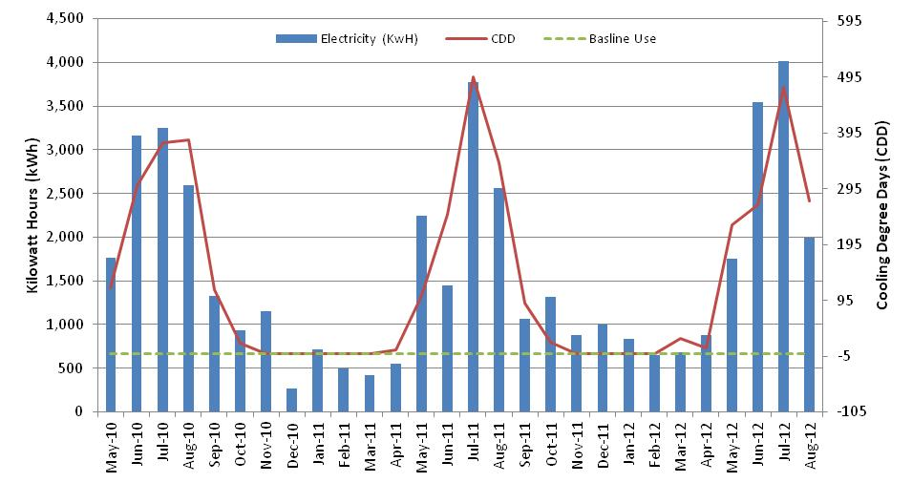

*Assessment by the Smart Energy Design Assistance Center (SEDAC)

Gatehouse Natural Gas Consummption in 2011
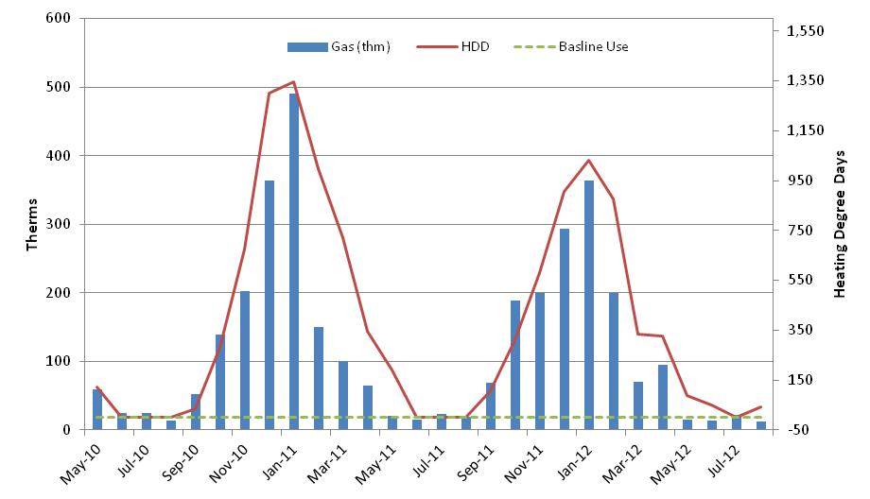

*Assessment by the Smart Energy Design Assistance Center (SEDAC)

