2022 Update Map (2)
 |  |  |  |  |  | Windsor Ave.

 | overcup oak | pin oak | Nuttall oak |  | swamp chestnut oak | pin oak | chestnut oak |  | x bebbiana |  | chinkapin oak |  | chestnut oak | 10

 | water oak | pecan | x 'Jillian' |  | x schuettei | bitternut hickory | n. pin oak |  | mockernut hickory |  | black hickory |  | dwarf chinkapin oak | 9

 | Nuttall oak | bur oak | willow oak |  | white oak | shingle oak | shagbark hickory |  | blackjack oak |  | so. red oak |  | blackjack oak | 8

 | swamp white oak | Shumard oak | bur oak |  | bitternut hickory | chinkapin oak | black oak |  | chestnut oak |  | scarlet oak |  | post oak | 7

 | cherrybark oak | shellbark hickory | x schuettei |  | swamp white oak | n. red oak | shingle oak |  | chinkapin oak |  | pignut hickory |  | black hickory | 6 |  | Race St.
 |  |  |  |  |  |  |  |  |  |  |  |  |  |  | north
 | willow oak | bur oak | swamp white oak |  | shellbark hickory | chinkapin oak | n. red oak |  | black oak |  | post oak |  | dwarf chinkapin oak | 5 | ⇑

 | cherrybark oak | x schuettei | willow oak |  | Shumard oak | swamp chestnut oak | so. red oak |  | scarlet oak |  | black oak |  | mockernut hickory | 4

 | pecan | Nuttall oak | x jackiana |  | shingle oak | n. red oak | white oak |  | n. pin oak |  | white oak |  | pignut hickory | 3

 | water oak |  | swamp chestnut oak |  | overcup oak | Shumard oak | scarlet oak |  | so. red oak |  | blackjack oak |  | dwarf chinkapin oak | 2

 |  | overcup oak | water oak |  | cherrybark oak | pecan | shagbark hickory |  | pignut hickory |  | mockernut hickory |  | black hickory | 1
 | 9 | 8 | 7 |  | 6 | 5 | 4 |  | 3 |  | 2 |  | 1

 | replacement trees (2022) |  | planted May 2022 by Jay Hayek
 | original planting (2018) |  | planted April 14 by Rotary Club of Champaign, undergraduate/graduate students, and university staff
 |  |  |  |  |  | Gravel Access Road to 2711 S. Race St.
 | The Oaks (Quercus spp.) |  |  |  |  |  |  | The Hickories (Carya spp.)
 | Scientific Name | Common | # Planted | Year Planted |  |  |  | Scientific Name |  | Common |  | # Planted |  | Year Planted
1 | Q. alba | white oak | 3 | 2018 (2) & 2022 (1) |  |  | 1 | C. aquatica |  | water hickory |  | 0 |  | ---
2 | Q. bicolor | swamp white oak | 3 | 2018 (3) |  |  | 2 | C. cordiformis |  | bitternut hickory |  | 2 |  | 2018 (2)
3 | Q. coccinea | scarlet oak | 3 | 2018 (3) |  |  | 3 | C. glabra |  | pignut hickory |  | 3 |  | 2018 (3)
4 | Q. ellipsoidalis | n. pin oak | 2 | 2018 (2) |  |  | 4 | C. illinoinensis |  | pecan |  | 3 |  | 2018 (3)
5 | Q. falcata | s. red oak | 3 | 2022 (3) |  |  | 5 | C. laciniosa |  | shellbark hickory |  | 2 |  | 2018 (2)
6 | Q. imbricaria | shingle oak | 3 | 2018 (2) & 2022 (1) |  |  | 6 | C. ovalis |  | red hickory |  | 0 |  | ---
7 | Q. lyrata | overcup oak | 3 | 2018 (1) & 2022 (2) |  |  | 7 | C. ovata |  | shagbark hickory |  | 2 |  | 2018 (1) & 2022 (1)
8 | Q. macrocarpa | bur oak | 3 | 2018 (3) |  |  | 8 | C. pallida |  | sand hickory |  | 0 |  | ---
9 | Q. marilandica | blackjack oak | 3 | 2018 (3) |  |  | 9 | C. texana |  | black hickory |  | 3 |  | 2018 (3)
10 | Q. michauxii | swamp chestnut oak | 3 | 2022 (3) |  |  | 10 | C. tomentosa |  | mockernut hickory |  | 3 |  | 2018 (3)
11 | Q. montana | chestnut oak | 3 | 2022 (3)
12 | Q. muehlenbergii | chinkapin oak | 4 | 2018 (1) & 2022 (3)
13 | Q. nigra | water oak | 3 | 2022 (3)
Illini Oak-Hickory Teaching Arboretum
A professional legacy project designed by
Jay C. Hayek, Extension Forester
Est. 2018
Financial support from Rotary Club of Champaign
and University of Illinois Facilities & Services
14 | Q. pagoda | cherrybark oak | 3 | 2018 (3)
15 | Q. palustris | pin oak | 2 | 2022 (2)
16 | Q. phellos | willow oak | 3 | 2018 (2) & 2022 (1)
17 | Q. prinoides | dwarf chinkapin oak | 3 | 2018 (3)
18 | Q. rubra | n. red oak | 3 | 2018 (2) & 2022 (1)
19 | Q. shumardii | Shumard oak | 3 | 2018 (1) & 2022 (1)
20 | Q. stellata | post oak | 2 | 2022 (2)
21 | Q. texana | Nuttall oak | 3 | 2022 (3)
22 | Q. velutina | black oak | 3 | 2018 (3)
23 | Q. x bebbiana | Bebb oak | 1 | 2022 (1)
24 | Q. x jackiana | Jacks oak | 1 | 2022 (1)
25 | Q. x 'Jillian' | Jillian oak | 1 | 2022 (1)
26 | Q. x schuettei | Schuette oak | 3 | 2018 (3)

 | Bebb oak = Q. alba x macrocarpa
 | Jacks oak = Q. alba x bicolor |  |  |  |  |  |  |  | Planted 79 trees planted in spring of 2018; 24 trees have since died (30.3% mortality).
 | Jillian Oak = Q. bicolor x macrocarpa x lyrata; Q. x 'Jillian Anne Young' |  |  |  |  |  |  |  | Planted an additional 33 trees in May 2022.
 | Schuette oak = Q. bicolor x macrocarpa

2022 Update Map
 |  |  |  |  |  | Windsor Ave.

 | overcup oak | pin oak | Nuttall oak |  | swamp chestnut oak | pin oak | chestnut oak |  | x bebbiana |  | chinkapin oak |  | chestnut oak | 10

 | water oak | pecan | x. jilliana |  | x. schuettei | bitternut hickory | n. pin oak |  | mockernut hickory |  | black hickory |  | dwarf chinkapin oak | 9

 | Nuttall oak | bur oak | willow oak |  | white oak | shingle oak | shagbark hickory |  | blackjack oak |  | so. red oak |  | blackjack oak | 8

 | swamp white oak | Shumard oak | bur oak |  | bitternut hickory | chinkapin oak | black oak |  | chestnut oak |  | scarlet oak |  | post oak | 7

 | cherrybark oak | shellbark hickory | x schuettei |  | swamp white oak | n. red oak | shingle oak |  | chinkapin oak |  | pignut hickory |  | black hickory | 6 |  | Race St.
 |  |  |  |  |  |  |  |  |  |  |  |  |  |  | north
 | willow oak | bur oak | swamp white oak |  | shellbark hickory | chinkapin oak | n. red oak |  | black oak |  | post oak |  | dwarf chinkapin oak | 5 | ⇑

 | cherrybark oak | x schuettei | willow oak |  | Shumard oak | swamp chestnut oak | so. red oak |  | scarlet oak |  | black oak |  | mockernut hickory | 4

 | pecan | Nuttall oak | x jackiana |  | shingle oak | n. red oak | white oak |  | n. pin oak |  | white oak |  | pignut hickory | 3

 | water oak |  | swamp chestnut oak |  | overcup oak | Shumard oak | scarlet oak |  | so. red oak |  | blackjack oak |  | dwarf chinkapin oak | 2

 |  | overcup oak | water oak |  | cherrybark oak | pecan | shagbark hickory |  | pignut hickory |  | mockernut hickory |  | black hickory | 1
 | 9 | 8 | 7 |  | 6 | 5 | 4 |  | 3 |  | 2 |  | 1

 | replacement trees |  | planted 5/25/22 - 5/26/2022 by Jay Hayek
 | as of May '22 |  |  |  |  |  | ⇑
 |  |  |  |  |  | Gravel Access Road to 2711 S. Race St.
 | The Oaks (Quercus spp.) |  |  |  |  |  |  | The Hickories (Carya spp.)
 | Scientific Name | Common | # Planted | Year Planted |  |  |  | Scientific Name |  | Common |  | # Planted |  | Year Planted
1 | Q. alba | white oak | 3 | 2018 (2) & 2022 (1) |  |  | 1 | C. aquatica |  | water hickory |  | 0 |  | ---
2 | Q. bicolor | swamp white oak | 3 | 2018 (3) |  |  | 2 | C. cordiformis |  | bitternut hickory |  | 2 |  | 2018 (2)
3 | Q. coccinea | scarlet oak | 3 | 2018 (3) |  |  | 3 | C. glabra |  | pignut hickory |  | 3 |  | 2018 (3)
4 | Q. ellipsoidalis | n. pin oak | 2 | 2018 (2) |  |  | 4 | C. illinoinensis |  | pecan |  | 3 |  | 2018 (3)
5 | Q. falcata | s. red oak | 3 | 2022 (3) |  |  | 5 | C. laciniosa |  | shellbark hickory |  | 2 |  | 2018 (2)
6 | Q. imbricaria | shingle oak | 3 | 2018 (2) & 2022 (1) |  |  | 6 | C. ovalis |  | red hickory |  | 0 |  | ---
7 | Q. lyrata | overcup oak | 3 | 2018 (1) & 2022 (2) |  |  | 7 | C. ovata |  | shagbark hickory |  | 2 |  | 2018 (1) & 2022 (1)
8 | Q. macrocarpa | bur oak | 3 | 2018 (3) |  |  | 8 | C. pallida |  | sand hickory |  | 0 |  | ---
9 | Q. marilandica | blackjack oak | 3 | 2018 (3) |  |  | 9 | C. texana |  | black hickory |  | 3 |  | 2018 (3)
10 | Q. michauxii | swamp chestnut oak | 3 | 2022 (3) |  |  | 10 | C. tomentosa |  | mockernut hickory |  | 3 |  | 2018 (3)
11 | Q. montana | chestnut oak | 3 | 2022 (3)
12 | Q. muehlenbergii | chinkapin oak | 4 | 2018 (1) & 2022 (3)
13 | Q. nigra | water oak | 3 | 2022 (3)
14 | Q. pagoda | cherrybark oak | 3 | 2018 (3)
NRES Oak-Hickory Teaching Arboretum
A professional legacy project designed by
Jay C. Hayek, Extension Forester
Est. 2018
15 | Q. palustris | pin oak | 2 | 2022 (2)
16 | Q. phellos | willow oak | 3 | 2018 (2) & 2022 (1)
17 | Q. prinoides | dwark chinkapin oak | 3 | 2018 (3)
18 | Q. rubra | n. red oak | 3 | 2018 (2) & 2022 (1)
19 | Q. shumardii | Shumard oak | 3 | 2018 (1) & 2022 (1)
20 | Q. stellata | post oak | 2 | 2022 (2)
21 | Q. texana | Nuttall oak | 3 | 2022 (3)
22 | Q. velutina | black oak | 3 | 2018 (3)
23 | Q. x bebbiana | Bebb oak | 1 | 2022 (1)
24 | Q. x jackiana | Jacks oak | 1 | 2022 (1)
25 | Q. x jilliana | Jillian oak | 1 | 2022 (1)
26 | Q. x schuettei | Schuette oak | 3 | 2018 (3)

 | Bebb oak = Q. alba x macrocarpa
 | Jacks oak = Q. alba x bicolor
 | Jillian Oak = Q. bicolor x macrocarpa x lyrata; Q. x 'Jillian Anne Young'
 | Schuette oak = Q. bicolor x macrocarpa

2022 RPM Order
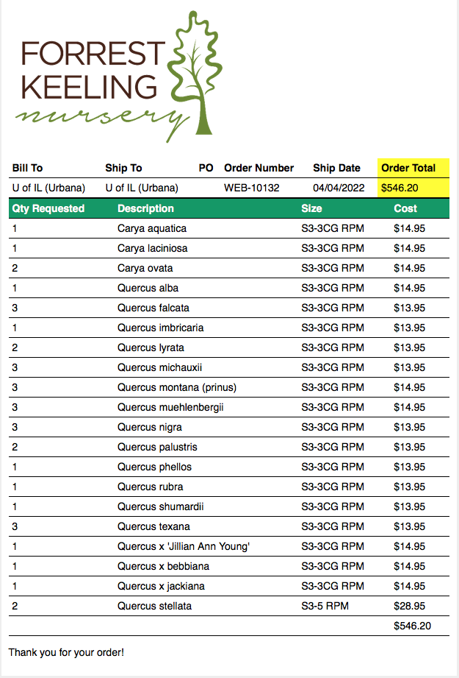
 | Received (Y/N)
Carya aquatica x 1; new | N
Carya cordiformis x 1 | N
Carya laciniosa x 1 | N
Carya ovata x 2 | Y x 1
Quercus alba x 1 | Y
Quercus falcata x 3; new | Y
Quercus imbricaria x 1 | Y
Quercus lyrata x 2 | Y
Quercus michauxii x 3 | Y
Quercus montana x 3; new | Y
Quercus muehlenbergii x 3 | Y
Quercus nigra x 3; new | Y
Quercus palustris x 2 | Y
Quercus phellos x 1 [S3-3CG RPM] | Y
Quercus rubra x 1 | Y
Quercus shumardii x 1 | Y
Quercus stellata x 2 [S3-5 RPM} | Y
Quercus texana x 3; new | Y
Quercus x 'Jillian Ann Young' x 1 | Y
Quercus x bebbiana x 1 | Y
Quercus x jackiana x 1 | Y

